Workout
Accounting and Financial Analysis

Workout
 | Calculate net debt for both periods.

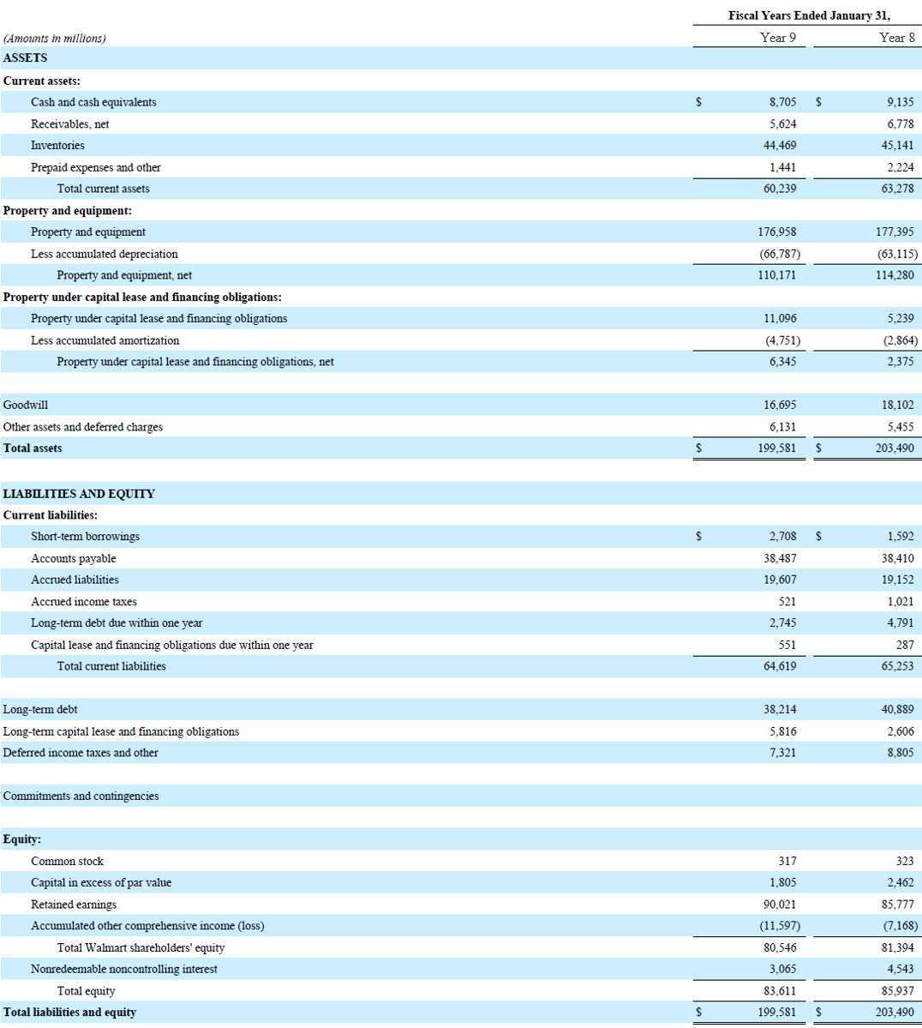

 |  | Year 9 | Year 8
 | Short term borrowings | 2,708.0 | 1,592.0
 | Long term debt due within one year | 2,745.0 | 4,791.0
 | Capital lease due within one year | 551.0 | 287.0
 | Long term debt | 38,214.0 | 40,889.0
 | Long term capital lease | 5,816.0 | 2,606.0
 | Cash and cash equivalents | 8,705.0 | 9,135.0
 | Net debt | 41,329.0 | 41,030.0

End

